Comparison of tools' generation
Comparison of outputs generated by reproduced tool functions and reported in existing studies
Tools reproduced in this study |  | Tools developed by existing studies |  | results comparison
Codes | Tools | Studies | Tools
T-ICF-06 | identify_critical_facilities_considering_PageRank_tool | Lu, C., She, J., Pan, H., Guo, Z., Zhou, X., & Li, Z. (2026). Optimizing urban infrastructure resilience: Analyzing cascading failures and critical node dependencies through multilayer network models. Journal of Safety Science and Resilience, 7(1), 100245. https://doi.org/https://doi.org/10.1016/j.jnlssr.2025.100245 | import networkx as nx from typing import Dict, List def compute_all_centralities(G: nx.DiGraph) -> Dict[str, Dict]: """Compute all 6 centrality measures from Rangrazjeddi et al. (2022).""" return { 'pagerank': nx.pagerank(G, alpha=0.85), } def rescale_centralities(centralities: Dict[str, Dict], remaining_nodes: List[str]) -> Dict[str, Dict]: """Algorithm 1, lines 4-5: rescale each centrality to [0,1].""" rescaled = {} for name, vals in centralities.items(): subset = [vals.get(n, 0) for n in remaining_nodes] mn, mx = min(subset) if subset else 0, max(subset) if subset else 1 rng = mx - mn if mx > mn else 1 rescaled[name] = {n: (vals.get(n, 0) - mn) / rng for n in remaining_nodes} return rescaled | 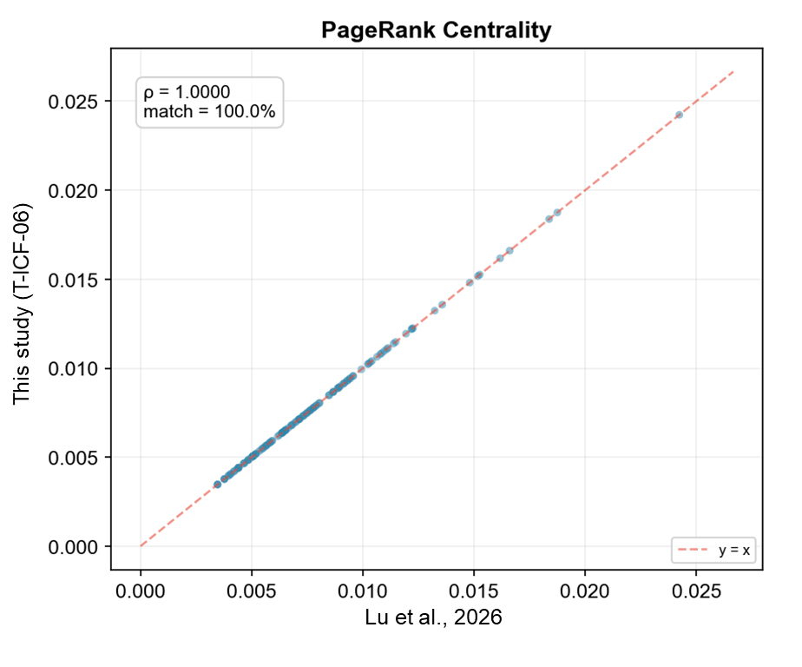 Fig. S1 Comparison of outputs generated by T-ICF-06 and corresponding study
T-SRS-09 | schedule_repair_sequence_considering_SCC_by_GA | Xu, M., Ouyang, M., Hong, L., Mao, Z., & Xu, X. (2022). Resilience-driven repair sequencing decision under uncertainty for critical infrastructure systems. Reliability Engineering & System Safety, 221, 108378. https://doi.org/https://doi.org/10.1016/j.ress.2022.108378 | import random from typing import Dict, List, Tuple import networkx as nx def DIBM_repair_sequence(G: nx.DiGraph, damaged: List[str]) -> List[str]: """ Deterministic Importance-Based Method. Sort damaged components by betweenness centrality descending. """ bc = nx.betweenness_centrality(G) return sorted(damaged, key=lambda n: bc.get(n, 0), reverse=True) def compute_resilience_loss(G: nx.DiGraph, repair_sequence: List[str]) -> Tuple[float, List[float]]: """ Resilience loss = sum over steps of (unmet_demand × remaining_time). Unmet demand is approximated as nodes not in the largest SCC. """ total_nodes = G.number_of_nodes() node_to_out = {} for s, t in G.edges(): node_to_out.setdefault(s, []).append(t) G_cur = nx.DiGraph() total_loss = 0.0 loss_curve = [] n = len(repair_sequence) for step, node in enumerate(repair_sequence): G_cur.add_node(node) for target in node_to_out.get(node, []): if target in G_cur.nodes: G_cur.add_edge(node, target) for source, targets in node_to_out.items(): if node in targets and source in G_cur.nodes: G_cur.add_edge(source, node) try: gscc = max(nx.strongly_connected_components(G_cur), key=len) unmet = total_nodes - len(gscc) except ValueError: unmet = total_nodes step_loss = unmet * (n - step) # weight by remaining repair time total_loss += step_loss loss_curve.append(total_loss) return total_loss, loss_curve def GABM_repair_sequence(G: nx.DiGraph, damaged: List[str], population_size: int = 50, generations: int = 100, objective: str = 'resilience') -> Tuple[List[str], float, List[int]]: """ Genetic Algorithm Based Method. Minimize resilience loss o | 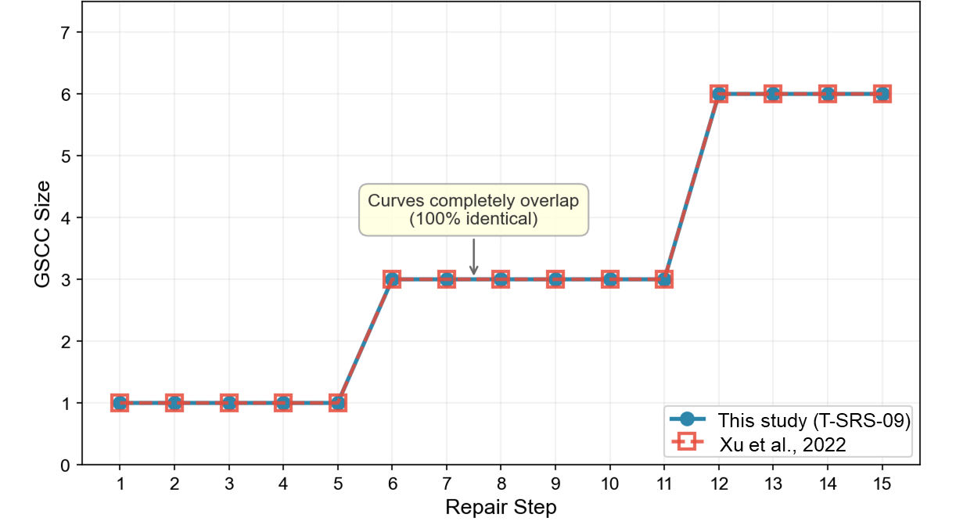 Fig. S2 Comparison of outputs generated by T-SRS-09 and corresponding study
T-ARR-01 | allocate_restoration_resource_considering_population | Maraqa, S. a. N., Berfin Karakoc, D., Ghorbani-Renani, N., Barker, K., & González, A. D. (2022). Project schedule compression for the efficient restoration of interdependent infrastructure systems. Computers & Industrial Engineering, 170, 108342. https://doi.org/https://doi.org/10.1016/j.cie.2022.108342 | import networkx as nx from typing import Dict, List def milp_restoration_schedule(G: nx.DiGraph, damaged: List[str], network_data: Dict, repair_times: Dict[str, float] = None, repair_costs: Dict[str, float] = None, crashing_factor: float = 0.7, crash_cost_multiplier: float = 1.5) -> Dict: """ MILP-based restoration scheduling with schedule compression. Paper Section 3.2: crashing allows reducing repair time by allocating additional resources at extra cost. Returns: sequence, cumulative_time, cumulative_cost, total_time, total_cost, crashed_total_time, crashed_total_cost """ bc = nx.betweenness_centrality(G) # Default repair times and costs based on infrastructure type if repair_times is None: repair_times = {} for node in damaged: ntype = 'power' for nd in network_data.get('nodes', []): if nd['Code'] == node: ntype = nd.get('Infrastructure Type', 'power') break base_times = {'water': 8, 'power': 12, 'gas': 6} repair_times[node] = base_times.get(ntype, 10) if repair_costs is None: repair_costs = {} for node in damaged: ntype = 'power' for nd in network_data.get('nodes', []): if nd['Code'] == node: ntype = nd.get('Infrastructure Type', 'power') break base_costs = {'water': 5000, 'power': 8000, 'gas': 3000} repair_costs[node] = base_costs.get(ntype, 5000) # Critical nodes first (betweenness ordering) order = sorted(damaged, key=lambda n: bc.get(n, 0), reverse=True) # Without crashing cum_time = [] cum_cost = [] total_time = 0.0 | 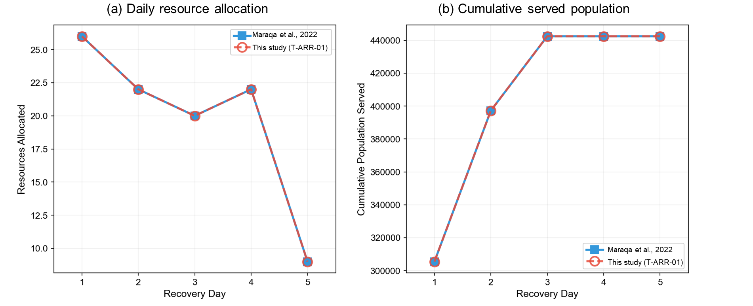 Fig. S3 Comparison of outputs generated by T-ARR-01 and corresponding study

The built KGoULNR
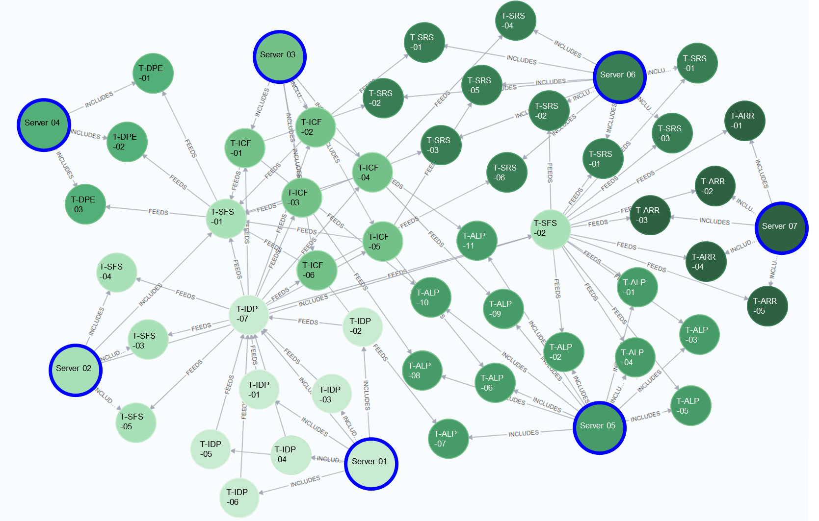
Built knowledge graph of LNR (KGoLNR) by using neo4j | Tripples in the KGoLNR
 | Relationships between tools |  | Relationships between servers and tools
 | No | Tripples | No | Tripples
 | TT-01 | (:tool {color: #87CEFA,name: convert_SHPfile_to_JSONfile,group: data_processing})-[:SUPPORTS]->(:tool {color: #87CEFA,name: generate_interdependence_across_networks,group: data_processing}) | TS-01 | (:Server {color: #1E90FF,name: Server 01,description: data_processing,group: data_processing})-[:INCLUDES]->(:tool {color: #87CEFA,name: convert_SHPfile_to_JSONfile,group: data_processing})
 | TT-02 | (:tool {color: #87CEFA,name: convert_CSVfile_to_JSONfile,group: data_processing})-[:SUPPORTS]->(:tool {color: #87CEFA,name: generate_interdependence_across_networks,group: data_processing}) | TS-02 | (:Server {color: #1E90FF,name: Server 01,description: data_processing,group: data_processing})-[:INCLUDES]->(:tool {color: #87CEFA,name: convert_CSVfile_to_JSONfile,group: data_processing})
 | TT-03 | (:tool {color: #87CEFA,name: convert_DBFfile_to_JSONfile,group: data_processing})-[:SUPPORTS]->(:tool {color: #87CEFA,name: generate_interdependence_across_networks,group: data_processing}) | TS-03 | (:Server {color: #1E90FF,name: Server 01,description: data_processing,group: data_processing})-[:INCLUDES]->(:tool {color: #87CEFA,name: convert_DBFfile_to_JSONfile,group: data_processing})
 | TT-04 | (:tool {color: #87CEFA,name: convert_DWGfile_to_JSONfile,group: data_processing})-[:SUPPORTS]->(:tool {color: #87CEFA,name: generate_interdependence_across_networks,group: data_processing}) | TS-04 | (:Server {color: #1E90FF,name: Server 01,description: data_processing,group: data_processing})-[:INCLUDES]->(:tool {color: #87CEFA,name: convert_DWGfile_to_JSONfile,group: data_processing})
 | TT-05 | (:tool {color: #87CEFA,name: convert_KMZfile_to_JSONfile,group: data_processing})-[:SUPPORTS]->(:tool {color: #87CEFA,name: generate_interdependence_across_networks,group: data_processing}) | TS-05 | (:Server {color: #1E90FF,name: Server 01,description: data_processing,group: data_processing})-[:INCLUDES]->(:tool {color: #87CEFA,name: convert_KMZfile_to_JSONfile,group: data_processing})
 | TT-06 | (:tool {color: #87CEFA,name: convert_RVTfile_to_JSONfile,group: data_processing})-[:SUPPORTS]->(:tool {color: #87CEFA,name: generate_interdependence_across_networks,group: data_processing}) | TS-06 | (:Server {color: #1E90FF,name: Server 01,description: data_processing,group: data_processing})-[:INCLUDES]->(:tool {color: #87CEFA,name: convert_RVTfile_to_JSONfile,group: data_processing})
 | TT-07 | (:tool {color: #87CEFA,name: generate_interdependence_across_networks,group: data_processing})-[:SUPPORTS]->(:tool {color: #FFA07A,name: simulate_failure_scenario_under_specific_nodes_targeted_attack,group: cascading_failure}) | TS-07 | (:Server {color: #1E90FF,name: Server 01,description: data_processing,group: data_processing})-[:INCLUDES]->(:tool {color: #87CEFA,name: generate_interdependence_across_networks,group: data_processing})
 | TT-08 | (:tool {color: #87CEFA,name: generate_interdependence_across_networks,group: data_processing})-[:SUPPORTS]->(:tool {color: #FFA07A,name: simulate_failure_scenario_under_random_attacks,group: cascading_failure}) | TS-08 | (:Server {color: #FF4500,name: Server 02,description: cascading failure scenario simulation,group: cascading_failure})-[:INCLUDES]->(:tool {color: #FFA07A,name: simulate_failure_scenario_under_specific_nodes_targeted_attack,group: cascading_failure})
 | TT-09 | (:tool {color: #87CEFA,name: generate_interdependence_across_networks,group: data_processing})-[:SUPPORTS]->(:tool {color: #FFA07A,name: simulate_failure_scenario_under_danger_area_targeted_attacks,group: cascading_failure}) | TS-09 | (:Server {color: #FF4500,name: Server 02,description: cascading failure scenario simulation,group: cascading_failure})-[:INCLUDES]->(:tool {color: #FFA07A,name: simulate_failure_scenario_under_random_attacks,group: cascading_failure})
 | TT-10 | (:tool {color: #87CEFA,name: generate_interdependence_across_networks,group: data_processing})-[:SUPPORTS]->(:tool {color: #FFA07A,name: simulate_failure_scenario_using_overload_propagation,group: cascading_failure}) | TS-10 | (:Server {color: #FF4500,name: Server 02,description: cascading failure scenario simulation,group: cascading_failure})-[:INCLUDES]->(:tool {color: #FFA07A,name: simulate_failure_scenario_under_danger_area_targeted_attacks,group: cascading_failure})
 | TT-11 | (:tool {color: #87CEFA,name: generate_interdependence_across_networks,group: data_processing})-[:SUPPORTS]->(:tool {color: #FFA07A,name: simulate_failure_scenario_using_FMEA_analysis,group: cascading_failure}) | TS-11 | (:Server {color: #FF4500,name: Server 02,description: cascading failure scenario simulation,group: cascading_failure})-[:INCLUDES]->(:tool {color: #FFA07A,name: simulate_failure_scenario_using_overload_propagation,group: cascading_failure})
 | TT-12 | (:tool {color: #87CEFA,name: generate_interdependence_across_networks,group: data_processing})-[:SUPPORTS]->(:tool {color: #98FB98,name: identify_critical_facilities_considering_betweenness,group: critical_infrastructure}) | TS-12 | (:Server {color: #FF4500,name: Server 02,description: cascading failure scenario simulation,group: cascading_failure})-[:INCLUDES]->(:tool {color: #FFA07A,name: simulate_failure_scenario_using_FMEA_analysis,group: cascading_failure})
 | TT-13 | (:tool {color: #87CEFA,name: generate_interdependence_across_networks,group: data_processing})-[:SUPPORTS]->(:tool {color: #98FB98,name: identify_critical_facilities_considering_closeness,group: critical_infrastructure}) | TS-13 | (:Server {color: #2E8B57,name: Server 03,description: critical_infrastructure_facility_identification,group: critical_infrastructure})-[:INCLUDES]->(:tool {color: #98FB98,name: identify_critical_facilities_considering_betweenness,group: critical_infrastructure})
 | TT-14 | (:tool {color: #87CEFA,name: generate_interdependence_across_networks,group: data_processing})-[:SUPPORTS]->(:tool {color: #98FB98,name: identify_critical_facilities_considering_degree,group: critical_infrastructure}) | TS-14 | (:Server {color: #2E8B57,name: Server 03,description: critical_infrastructure_facility_identification,group: critical_infrastructure})-[:INCLUDES]->(:tool {color: #98FB98,name: identify_critical_facilities_considering_closeness,group: critical_infrastructure})
 | TT-15 | (:tool {color: #87CEFA,name: generate_interdependence_across_networks,group: data_processing})-[:SUPPORTS]->(:tool {color: #98FB98,name: identify_critical_facilities_considering_katz,group: critical_infrastructure}) | TS-15 | (:Server {color: #2E8B57,name: Server 03,description: critical_infrastructure_facility_identification,group: critical_infrastructure})-[:INCLUDES]->(:tool {color: #98FB98,name: identify_critical_facilities_considering_degree,group: critical_infrastructure})
 | TT-16 | (:tool {color: #87CEFA,name: generate_interdependence_across_networks,group: data_processing})-[:SUPPORTS]->(:tool {color: #98FB98,name: identify_critical_facilities_considering_kshell,group: critical_infrastructure}) | TS-16 | (:Server {color: #2E8B57,name: Server 03,description: critical_infrastructure_facility_identification,group: critical_infrastructure})-[:INCLUDES]->(:tool {color: #98FB98,name: identify_critical_facilities_considering_katz,group: critical_infrastructure})
 | TT-17 | (:tool {color: #87CEFA,name: generate_interdependence_across_networks,group: data_processing})-[:SUPPORTS]->(:tool {color: #98FB98,name: identify_critical_facilities_considering_PageRank_tool,group: critical_infrastructure}) | TS-17 | (:Server {color: #2E8B57,name: Server 03,description: critical_infrastructure_facility_identification,group: critical_infrastructure})-[:INCLUDES]->(:tool {color: #98FB98,name: identify_critical_facilities_considering_kshell,group: critical_infrastructure})
 | TT-18 | (:tool {color: #FFA07A,name: simulate_failure_scenario_under_random_attacks,group: cascading_failure})-[:SUPPORTS]->(:tool {color: #FFD700,name: evaluate_LN_performance_by_average_path_length,group: LN_performance}) | TS-18 | (:Server {color: #2E8B57,name: Server 03,description: critical_infrastructure_facility_identification,group: critical_infrastructure})-[:INCLUDES]->(:tool {color: #98FB98,name: identify_critical_facilities_considering_PageRank_tool,group: critical_infrastructure})
 | TT-19 | (:tool {color: #FFA07A,name: simulate_failure_scenario_under_random_attacks,group: cascading_failure})-[:SUPPORTS]->(:tool {color: #FFD700,name: evaluate_LN_performance_by_connectivily,group: LN_performance}) | TS-19 | (:Server {color: #9370DB,name: Server 04,description: emergency_portable_equipment_deployment,group: emergency_equipment})-[:INCLUDES]->(:tool {color: #D8BFD8,name: deploy_portable_equipment_considering_connectivity,group: emergency_equipment})
 | TT-20 | (:tool {color: #FFA07A,name: simulate_failure_scenario_under_random_attacks,group: cascading_failure})-[:SUPPORTS]->(:tool {color: #FFD700,name: evaluate_LN_performance_by_diameter,group: LN_performance}) | TS-20 | (:Server {color: #9370DB,name: Server 04,description: emergency_portable_equipment_deployment,group: emergency_equipment})-[:INCLUDES]->(:tool {color: #D8BFD8,name: deploy_portable_equipment_considering_efficiency,group: emergency_equipment})
 | TT-21 | (:tool {color: #FFA07A,name: simulate_failure_scenario_under_random_attacks,group: cascading_failure})-[:SUPPORTS]->(:tool {color: #FFD700,name: evaluate_LN_performance_by_global_efficiency,group: LN_performance}) | TS-21 | (:Server {color: #9370DB,name: Server 04,description: emergency_portable_equipment_deployment,group: emergency_equipment})-[:INCLUDES]->(:tool {color: #D8BFD8,name: deploy_portable_equipment_considering_population,group: emergency_equipment})
 | TT-22 | (:tool {color: #FFA07A,name: simulate_failure_scenario_under_random_attacks,group: cascading_failure})-[:SUPPORTS]->(:tool {color: #FFD700,name: evaluate_LN_performance_by_node_reachability,group: LN_performance}) | TS-22 | (:Server {color: #FF8C00,name: Server 05,description: failed_and_recovered_LN_performance_comparison,group: LN_performance})-[:INCLUDES]->(:tool {color: #FFD700,name: evaluate_LN_performance_by_average_path_length,group: LN_performance})
 | TT-23 | (:tool {color: #FFA07A,name: simulate_failure_scenario_under_random_attacks,group: cascading_failure})-[:SUPPORTS]->(:tool {color: #AFEEEE,name: schedule_restoration_sequence_considering_population_by_GA,group: restoration_scheduling}) | TS-23 | (:Server {color: #FF8C00,name: Server 05,description: failed_and_recovered_LN_performance_comparison,group: LN_performance})-[:INCLUDES]->(:tool {color: #FFD700,name: evaluate_LN_performance_by_connectivily,group: LN_performance})
 | TT-24 | (:tool {color: #FFA07A,name: simulate_failure_scenario_under_random_attacks,group: cascading_failure})-[:SUPPORTS]->(:tool {color: #AFEEEE,name: schedule_restoration_sequence_considering_population_by_SA,group: restoration_scheduling}) | TS-24 | (:Server {color: #FF8C00,name: Server 05,description: failed_and_recovered_LN_performance_comparison,group: LN_performance})-[:INCLUDES]->(:tool {color: #FFD700,name: evaluate_LN_performance_by_diameter,group: LN_performance})
 | TT-25 | (:tool {color: #FFA07A,name: simulate_failure_scenario_under_random_attacks,group: cascading_failure})-[:SUPPORTS]->(:tool {color: #AFEEEE,name: schedule_restoration_sequence_considering_SCC_by_GA,group: restoration_scheduling}) | TS-25 | (:Server {color: #FF8C00,name: Server 05,description: failed_and_recovered_LN_performance_comparison,group: LN_performance})-[:INCLUDES]->(:tool {color: #FFD700,name: evaluate_LN_performance_by_global_efficiency,group: LN_performance})
 | TT-26 | (:tool {color: #FFA07A,name: simulate_failure_scenario_under_random_attacks,group: cascading_failure})-[:SUPPORTS]->(:tool {color: #AFEEEE,name: schedule_restoration_sequence_considering_SCC_by_SA,group: restoration_scheduling}) | TS-26 | (:Server {color: #FF8C00,name: Server 05,description: failed_and_recovered_LN_performance_comparison,group: LN_performance})-[:INCLUDES]->(:tool {color: #FFD700,name: evaluate_LN_performance_by_node_reachability,group: LN_performance})
 | TT-27 | (:tool {color: #FFA07A,name: simulate_failure_scenario_under_random_attacks,group: cascading_failure})-[:SUPPORTS]->(:tool {color: #FFB6C1,name: allocate_restoration_resource_considering_population,group: resource_allocation}) | TS-27 | (:Server {color: #FF8C00,name: Server 05,description: failed_and_recovered_LN_performance_comparison,group: LN_performance})-[:INCLUDES]->(:tool {color: #FFD700,name: evaluate_LN_performance_by_population_betweenness,group: LN_performance})
 | TT-28 | (:tool {color: #FFA07A,name: simulate_failure_scenario_under_random_attacks,group: cascading_failure})-[:SUPPORTS]->(:tool {color: #FFB6C1,name: allocate_restoration_resource_considering_SCC,group: resource_allocation}) | TS-28 | (:Server {color: #FF8C00,name: Server 05,description: failed_and_recovered_LN_performance_comparison,group: LN_performance})-[:INCLUDES]->(:tool {color: #FFD700,name: evaluate_LN_performance_by_population_closeness,group: LN_performance})
 | TT-29 | (:tool {color: #FFA07A,name: simulate_failure_scenario_under_random_attacks,group: cascading_failure})-[:SUPPORTS]->(:tool {color: #FFB6C1,name: allocate_restoration_resource_considering_clustering_coefficient,group: resource_allocation}) | TS-29 | (:Server {color: #FF8C00,name: Server 05,description: failed_and_recovered_LN_performance_comparison,group: LN_performance})-[:INCLUDES]->(:tool {color: #FFD700,name: evaluate_LN_performance_by_population_degree,group: LN_performance})
 | TT-30 | (:tool {color: #FFA07A,name: simulate_failure_scenario_under_random_attacks,group: cascading_failure})-[:SUPPORTS]->(:tool {color: #FFB6C1,name: allocate_restoration_resource_considering_time,group: resource_allocation}) | TS-30 | (:Server {color: #FF8C00,name: Server 05,description: failed_and_recovered_LN_performance_comparison,group: LN_performance})-[:INCLUDES]->(:tool {color: #FFD700,name: evaluate_LN_performance_by_population_katz,group: LN_performance})
 | TT-31 | (:tool {color: #FFA07A,name: simulate_failure_scenario_under_random_attacks,group: cascading_failure})-[:SUPPORTS]->(:tool {color: #FFB6C1,name: allocate_restoration_resource_considering_cost,group: resource_allocation}) | TS-31 | (:Server {color: #FF8C00,name: Server 05,description: failed_and_recovered_LN_performance_comparison,group: LN_performance})-[:INCLUDES]->(:tool {color: #FFD700,name: evaluate_LN_performance_by_population_kshell,group: LN_performance})
 | TT-32 | (:tool {color: #FFA07A,name: simulate_failure_scenario_under_danger_area_targeted_attacks,group: cascading_failure})-[:SUPPORTS]->(:tool {color: #D8BFD8,name: deploy_portable_equipment_considering_connectivity,group: emergency_equipment}) | TS-32 | (:Server {color: #FF8C00,name: Server 05,description: failed_and_recovered_LN_performance_comparison,group: LN_performance})-[:INCLUDES]->(:tool {color: #FFD700,name: evaluate_LN_performance_by_population_pagerank,group: LN_performance})
 | TT-33 | (:tool {color: #FFA07A,name: simulate_failure_scenario_under_danger_area_targeted_attacks,group: cascading_failure})-[:SUPPORTS]->(:tool {color: #D8BFD8,name: deploy_portable_equipment_considering_efficiency,group: emergency_equipment}) | TS-33 | (:Server {color: #20B2AA,name: Server 06,description: failed_facility_restoration_scheduling,group: restoration_scheduling})-[:INCLUDES]->(:tool {color: #AFEEEE,name: schedule_restoration_sequence_considering_betweenness,group: restoration_scheduling})
 | TT-34 | (:tool {color: #FFA07A,name: simulate_failure_scenario_under_danger_area_targeted_attacks,group: cascading_failure})-[:SUPPORTS]->(:tool {color: #D8BFD8,name: deploy_portable_equipment_considering_population,group: emergency_equipment}) | TS-34 | (:Server {color: #20B2AA,name: Server 06,description: failed_facility_restoration_scheduling,group: restoration_scheduling})-[:INCLUDES]->(:tool {color: #AFEEEE,name: schedule_restoration_sequence_considering_closeness,group: restoration_scheduling})
 | TT-35 | (:tool {color: #98FB98,name: identify_critical_facilities_considering_betweenness,group: critical_infrastructure})-[:SUPPORTS]->(:tool {color: #FFA07A,name: simulate_failure_scenario_under_danger_area_targeted_attacks,group: cascading_failure}) | TS-35 | (:Server {color: #20B2AA,name: Server 06,description: failed_facility_restoration_scheduling,group: restoration_scheduling})-[:INCLUDES]->(:tool {color: #AFEEEE,name: schedule_restoration_sequence_considering_degree,group: restoration_scheduling})
 | TT-36 | (:tool {color: #98FB98,name: identify_critical_facilities_considering_betweenness,group: critical_infrastructure})-[:SUPPORTS]->(:tool {color: #FFD700,name: evaluate_LN_performance_by_population_betweenness,group: LN_performance}) | TS-36 | (:Server {color: #20B2AA,name: Server 06,description: failed_facility_restoration_scheduling,group: restoration_scheduling})-[:INCLUDES]->(:tool {color: #AFEEEE,name: schedule_restoration_sequence_considering_katz,group: restoration_scheduling})
 | TT-37 | (:tool {color: #98FB98,name: identify_critical_facilities_considering_betweenness,group: critical_infrastructure})-[:SUPPORTS]->(:tool {color: #AFEEEE,name: schedule_restoration_sequence_considering_betweenness,group: restoration_scheduling}) | TS-37 | (:Server {color: #20B2AA,name: Server 06,description: failed_facility_restoration_scheduling,group: restoration_scheduling})-[:INCLUDES]->(:tool {color: #AFEEEE,name: schedule_restoration_sequence_considering_kshell,group: restoration_scheduling})
 | TT-38 | (:tool {color: #98FB98,name: identify_critical_facilities_considering_closeness,group: critical_infrastructure})-[:SUPPORTS]->(:tool {color: #FFA07A,name: simulate_failure_scenario_under_danger_area_targeted_attacks,group: cascading_failure}) | TS-38 | (:Server {color: #20B2AA,name: Server 06,description: failed_facility_restoration_scheduling,group: restoration_scheduling})-[:INCLUDES]->(:tool {color: #AFEEEE,name: schedule_restoration_sequence_considering_pagerank,group: restoration_scheduling})
 | TT-39 | (:tool {color: #98FB98,name: identify_critical_facilities_considering_closeness,group: critical_infrastructure})-[:SUPPORTS]->(:tool {color: #FFD700,name: evaluate_LN_performance_by_population_closeness,group: LN_performance}) | TS-39 | (:Server {color: #20B2AA,name: Server 06,description: failed_facility_restoration_scheduling,group: restoration_scheduling})-[:INCLUDES]->(:tool {color: #AFEEEE,name: schedule_restoration_sequence_considering_population_by_GA,group: restoration_scheduling})
 | TT-40 | (:tool {color: #98FB98,name: identify_critical_facilities_considering_closeness,group: critical_infrastructure})-[:SUPPORTS]->(:tool {color: #AFEEEE,name: schedule_restoration_sequence_considering_closeness,group: restoration_scheduling}) | TS-40 | (:Server {color: #20B2AA,name: Server 06,description: failed_facility_restoration_scheduling,group: restoration_scheduling})-[:INCLUDES]->(:tool {color: #AFEEEE,name: schedule_restoration_sequence_considering_population_by_SA,group: restoration_scheduling})
 | TT-41 | (:tool {color: #98FB98,name: identify_critical_facilities_considering_degree,group: critical_infrastructure})-[:SUPPORTS]->(:tool {color: #FFA07A,name: simulate_failure_scenario_under_danger_area_targeted_attacks,group: cascading_failure}) | TS-41 | (:Server {color: #20B2AA,name: Server 06,description: failed_facility_restoration_scheduling,group: restoration_scheduling})-[:INCLUDES]->(:tool {color: #AFEEEE,name: schedule_restoration_sequence_considering_SCC_by_GA,group: restoration_scheduling})
 | TT-42 | (:tool {color: #98FB98,name: identify_critical_facilities_considering_degree,group: critical_infrastructure})-[:SUPPORTS]->(:tool {color: #FFD700,name: evaluate_LN_performance_by_population_degree,group: LN_performance}) | TS-42 | (:Server {color: #20B2AA,name: Server 06,description: failed_facility_restoration_scheduling,group: restoration_scheduling})-[:INCLUDES]->(:tool {color: #AFEEEE,name: schedule_restoration_sequence_considering_SCC_by_SA,group: restoration_scheduling})
 | TT-43 | (:tool {color: #98FB98,name: identify_critical_facilities_considering_degree,group: critical_infrastructure})-[:SUPPORTS]->(:tool {color: #AFEEEE,name: schedule_restoration_sequence_considering_degree,group: restoration_scheduling}) | TS-43 | (:Server {color: #FF69B4,name: Server 07,description: failed_facility_restoration_resource_allocation,group: resource_allocation})-[:INCLUDES]->(:tool {color: #FFB6C1,name: allocate_restoration_resource_considering_population,group: resource_allocation})
 | TT-44 | (:tool {color: #98FB98,name: identify_critical_facilities_considering_katz,group: critical_infrastructure})-[:SUPPORTS]->(:tool {color: #FFA07A,name: simulate_failure_scenario_under_danger_area_targeted_attacks,group: cascading_failure}) | TS-44 | (:Server {color: #FF69B4,name: Server 07,description: failed_facility_restoration_resource_allocation,group: resource_allocation})-[:INCLUDES]->(:tool {color: #FFB6C1,name: allocate_restoration_resource_considering_SCC,group: resource_allocation})
 | TT-45 | (:tool {color: #98FB98,name: identify_critical_facilities_considering_katz,group: critical_infrastructure})-[:SUPPORTS]->(:tool {color: #FFD700,name: evaluate_LN_performance_by_population_katz,group: LN_performance}) | TS-45 | (:Server {color: #FF69B4,name: Server 07,description: failed_facility_restoration_resource_allocation,group: resource_allocation})-[:INCLUDES]->(:tool {color: #FFB6C1,name: allocate_restoration_resource_considering_clustering_coefficient,group: resource_allocation})
 | TT-46 | (:tool {color: #98FB98,name: identify_critical_facilities_considering_katz,group: critical_infrastructure})-[:SUPPORTS]->(:tool {color: #AFEEEE,name: schedule_restoration_sequence_considering_katz,group: restoration_scheduling}) | TS-46 | (:Server {color: #FF69B4,name: Server 07,description: failed_facility_restoration_resource_allocation,group: resource_allocation})-[:INCLUDES]->(:tool {color: #FFB6C1,name: allocate_restoration_resource_considering_time,group: resource_allocation})
 | TT-47 | (:tool {color: #98FB98,name: identify_critical_facilities_considering_kshell,group: critical_infrastructure})-[:SUPPORTS]->(:tool {color: #FFA07A,name: simulate_failure_scenario_under_danger_area_targeted_attacks,group: cascading_failure}) | TS-47 | (:Server {color: #FF69B4,name: Server 07,description: failed_facility_restoration_resource_allocation,group: resource_allocation})-[:INCLUDES]->(:tool {color: #FFB6C1,name: allocate_restoration_resource_considering_cost,group: resource_allocation})
 | TT-48 | (:tool {color: #98FB98,name: identify_critical_facilities_considering_kshell,group: critical_infrastructure})-[:SUPPORTS]->(:tool {color: #FFD700,name: evaluate_LN_performance_by_population_kshell,group: LN_performance})
 | TT-49 | (:tool {color: #98FB98,name: identify_critical_facilities_considering_kshell,group: critical_infrastructure})-[:SUPPORTS]->(:tool {color: #AFEEEE,name: schedule_restoration_sequence_considering_kshell,group: restoration_scheduling})
 | TT-50 | (:tool {color: #98FB98,name: identify_critical_facilities_considering_PageRank_tool,group: critical_infrastructure})-[:SUPPORTS]->(:tool {color: #FFA07A,name: simulate_failure_scenario_under_danger_area_targeted_attacks,group: cascading_failure})
 | TT-51 | (:tool {color: #98FB98,name: identify_critical_facilities_considering_PageRank_tool,group: critical_infrastructure})-[:SUPPORTS]->(:tool {color: #FFD700,name: evaluate_LN_performance_by_population_pagerank,group: LN_performance})
 | TT-52 | (:tool {color: #98FB98,name: identify_critical_facilities_considering_PageRank_tool,group: critical_infrastructure})-[:SUPPORTS]->(:tool {color: #AFEEEE,name: schedule_restoration_sequence_considering_pagerank,group: restoration_scheduling})

